Budget - Activity 7
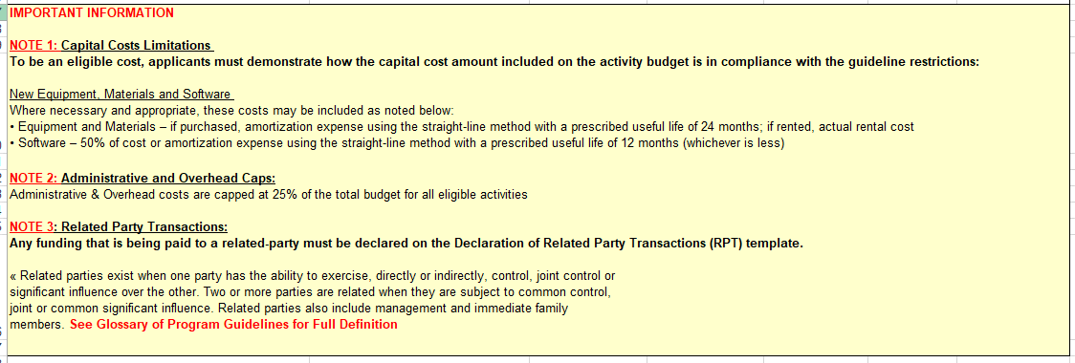
2023-24 OMIF LIVE MUSIC BUDGET - ACTIVITY 7
Organization Name:
Activity Title:
Instructions: | -Please complete Activity Title above. -Please complete GREEN cells. -You may add or delete row(s), if needed. -Please refer to OMIF Guidelines for details regarding eligible and ineligible costs.

ACTIVITY TITLE
EXPENSE ITEM | DESCRIPTION OF EXPENSES | CASH EXPENSE | IN-KIND EXPENSE | TOTAL EXPENSE | LOCATION OF EXPENSE (indicate if outside of ON) | RELATED PARTY TRANSACTION (indicate if "YES") (SEE NOTE 1)

 |  | $- | $- | $-
 |  | $- | $- | $-
 |  | $- | $- | $-
 |  | $- | $- | $-
 |  | $- | $- | $-
 |  | $- | $- | $-
 |  | $- | $- | $-
 |  | $- | $- | $-
 |  | $- | $- | $-
SUBTOTAL |  | $- | $- | $-

 |  | $- | $- | $-
 |  | $- | $- | $-
 |  | $- | $- | $-
 |  | $- | $- | $-
 |  | $- | $- | $-
 |  | $- | $- | $-
 |  | $- | $- | $-
 |  | $- | $- | $-
SUBTOTAL |  | $- | $- | $-

 |  | $- | $- | $-
 |  | $- | $- | $-
 |  | $- | $- | $-
 |  | $- | $- | $-
 |  | $- | $- | $-
 |  | $- | $- | $-
 |  | $- | $- | $-
 |  | $- | $- | $-
 |  | $- | $- | $-
SUBTOTAL |  | $- | $- | $-

 |  | $- | $- | $-
 |  | $- | $- | $-
 |  | $- | $- | $-
 |  | $- | $- | $-
SUBTOTAL |  | $- | $- | $-
TOTAL (EXCLUDING ADMIN & OH EXPENSES) |  | $- | $- | $-
ADMINISTRATIVE & OVERHEAD EXPENSES (SEE NOTE 2)
 |  | $- | $- | $-
 |  | $- | $- | $-
 |  | $- | $- | $-
 |  | $- | $- | $-
SUBTOTAL |  | $- | $- | $-
TOTAL |  | $- | $- | $-

 |  | OMIF Request for this Activity |  | $-

 |  | In-kind Expenses Percentage |  | 0% | (Cannot exceed 25% of Total Expenses)
 |  | Admin & OH Expenses Percentage |  | 0% | (Cannot exceed 25% of Total Expenses excl. Admin & OH Expenses)

FOOTNOTES:
NOTE 1: Related Party Transactions
Any activity costs that will be paid to a related party must be declared on the Related Party Transactions (RPT) template. Related parties exist when one party has the ability to exercise, directly or indirectly, control, joint control or significant influence over the other. Two or more parties are related when they are subject to common control, joint or common significant influence. Related parties also include management and immediate family members. Please see RPT template for more information.
NOTE 2: Administrative and Overhead Expenses
Costs for items such as staff salaries, office space and corporate services that are directly used in the delivery of the planned activities (to a maximum of 25% of the total activity costs).
NOTE 3: Capital Costs Limitations
Budget allocations towards capital expenditures such as equipment purchases are eligible if required for an activity (such as digital infrastructure and innovation). Please see Eligible Activity Costs section of Live Music Guidelines for more information.

